Tab Matrix
 | Anahata Codes® Assisting Frequencies™
 | Tab Matrix
 | https://www.neutralizingwithlove.com/about-me | https://www.hollyhallowell.com/current-anahata-codes
 | * Heart-test or Muscle-test to see which row and column "answers" your asking (any concern or desire - there's a code for that)

 | A | B | C
1 | A1 | B1 | C1
2 | A2 | B2 | C2
3 | A3 | B3 | C3
4 | A4 | B4 | C4
5 | A5 | B5 | C5
6 | A6 | B6 | C6
7 | A7 | B7 | C7
8 | A8 | B8 | C8

 | 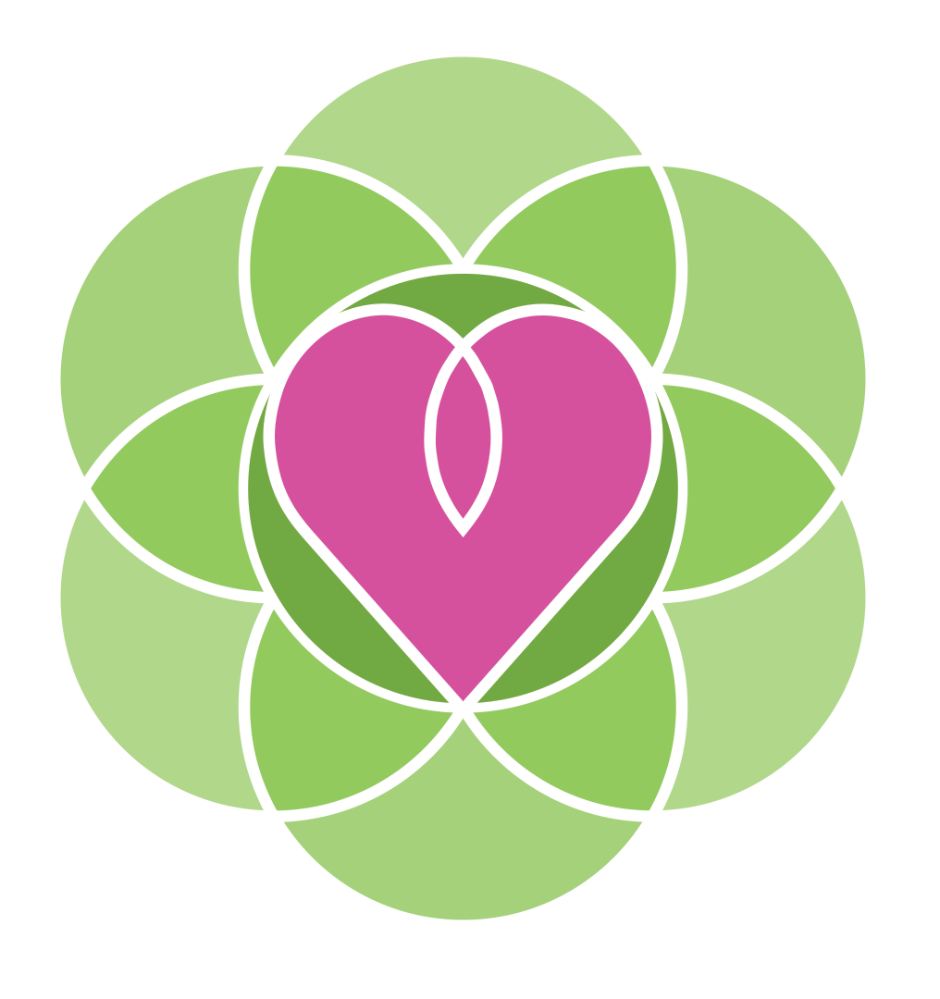 Use this matrix when muscle testing so you don't have to ask if you need each category. Instead, ask which column or row the category you're requesting can be found on. | ** Welcome ** Read the Anahata Codes Guide for information on how to use Anahata Codes. There are 24 tabs and over 35 categories. You can see them listed below but it is advised to not look so that you can magnetize vs. cognitize what is needed. | Sharing with you on this beautiful day from Linda at www.neutralizingwithlove.com

 | Important note: You must reference the Anahata Codes when using the Anahata Codes and include www.AnahataCodes.com. Only Certified Anahata Code Practitioners (CACPs) are approved to charge money in exchange for services rendered using the Anahata Codes.
 | The process of describing things Quantumly through numbers and the methods used to find and activate the "things" you or someone you're helping is requesting is protected by copyright laws.
 | The Guide explaining this process is a PDF called "AnahataCodes_AssistingFrequencies.pdf" and a book called Resonance Remembrance will be published soon.
 | IMPORTANT NOTE: It is best not to predetermine with your mind which Assisting Frequency is needed for yourself or others. Instead, it is recommended to set your Sacred Space, and ask which Column and then Row the AF you need is located. Once you do, you can look below to see which category was requested. Then, proceed to that tab in this spreadsheet and determine which row (again without reading the rows) which specific code is needed. | The cells above are linked to the spreadsheet tab.

 | A | B | C
1 | Flower Essences | Trees & Flowers | Essential Oils
2 | Crystals | Meridians | Chakras
3 | Totem | Archetypes & Tarot | Planetary & Astrological
4 | Love-based Emotions | Solfeggio Frequencies | Herbs, Nutrients, Homeopathy
5 | Hormones | Biological processes | Colors
6 | Letters, Numbers, Directions | Elements (Periodic Table) | Sacred Shapes & Symbols
7 | Light Beings, Ascended Masters, Energies | Sacred Locations, Times, & Artifacts | Kabbalah
8 | Random Tab of AFs | Fear-based Emotions | Alchemy (Prefixes, Elements, Platonic Solids)

 | BLOCK REMEDIES SECTION
 | What to do if you or someone isn't "seeing" results using the Anahata Codes.
 | Before using the Ability Block Remedy Sequence, muscle-test to see if there is a block
 | "Is there a reason I can't activate the Anahata Codes?"
 | If YES, proceed to the Ability Blocks section below this
 | If NO, you may be experiencing processing which makes it feel like nothing is getting better. Rejoice in your healing and as for a code to assist in processing.

 | Ability Blocks
 | There are many reasons why you or the person you are helping may be unable to activate a healing response using the codes.
 | There is no force with Anahata Codes. It is simply Quantum information defining the essence you need to harness to find balance.
 | If you heal it is because you activate a healing response. And all healing is a return to the memory of wholeness.
 | You may have blocks to accessing that memory. This will help you to heal the blocks.
 | Use this mattrix to determine the type of block and it's potential remedy.

 | Muscle test, "Which category holds the type of block I (or they) am experiencing"? Then Scroll futher down to reveal the category.

 | 1 | 2
 | 3 | 4

 | 1= Physical
 | There are many physical reasons why we can't activate a code. Muscle-test to see which one it is you need to remedy then scroll further down for a comprehensive key.

 | A | B | C
1 | A1 | B1 | C1
2 | A2 | B2 | C2
3 | A3 | B3 | C3

 | 2= Mental
 | There are many mental reasons why we can't activate a code. Muscle-test to see which one it is you need to remedy then scroll further down for a comprehensive key.
 | Note: for categories that don't have 6 options such as this, you muscle-test each of them since it is quick and easy. So D1? Yes or No. D2? D3? Or E1? E2?

 | D | E | F
1 | D1 | E1 | F1
2 | D2 | E2 | F2
3 | D3 | E3 | F3
4 | D4 | See 1I | See 1I

 | 3= Emotional
 | There are many emotional reasons why we can't activate a code. Muscle-test to see which one it is you need to remedy then scroll further down for a comprehensive key.
 | Note: for categories that don't have 6 options such as this, you muscle-test each of them since it is quick and easy. So G1? Yes or No. G2? G3?

 | G | H | I
1 | 1G | 1H | 1I
2 | 2G | 2H | See 1I
3 | 3G | 3H | See 1I

 | 4= Spiritual
 | There are many spiritual reasons why we can't activate a code. Muscle-test to see which one it is you need to remedy then scroll further down for a comprehensive key.
 | Note: for categories that don't have 6 options such as this, you muscle-test each of them since it is quick and easy. So J1? Yes or No. J2? J3?

 | J | K | L
1 | 1J | 1K | L1
2 | 2J | 2K | L2
3 | 3J | 3K | L3

 | Block Sources
 | 1 | 2 | 3 | 4
A | Holding Code (297 3276) | Grounding | Restful Sleep
B | Nutrition | Movement (exercise) | Protection
C | Mindfulness | Meditation | Stress Processing
D | Victimhood | Disbelief | Societal Norms | Mental Lack
E | Brainwashing | Mental Looping | Left Brain Imbalance
F | Right Brain Imbalance | Limiting Beliefs | "Negative" Set Point
G | Past Emotional Trauma | Inherited Emotional Energies | Impaired Focus
H | Fear | Self Sabotage | Emotional Lack
I | Feeling a block thereby creating it
J | Religious Belief | Religious Disbelief | Entity
K | Kharmic Ties | Spiritual Conflict | Spiritual Lack
L | Joy of the Journey | Trusting Divine Timing | Friction in Becoming

 | ** A glossary of terms for these blocks is coming soon! See the Glossary Tab of Blocks**

 | Formulate Your Final Block Assisting Frequency Question:
 | For each block in your (or their) ability to activate the Anahata Codes, you may ask for an AF, for highest good, which will put to work one or more of the 7 tools of restoration.
 | This is a great way to help you formulate the final questions to ask which will result in the perfect code coming forth to assist with healing the block.
 | Formulate your question this way:
 | "For highest good, is there a tool best suited to define the type of assistance needed for the physical block (or mental block, or emotional block, or spiritual block).
 | Check all that apply (uncheck those that don't) then scroll down to formulate your question to find the code which is needed.

1 | Reflection | x
2 | Releasing | x
3 | Rewiring | x
4 | Replenishment | x
5 | Resonation | x
6 | Reunification | x
7 | Rejoicing | x

 | Final Step:
 | Using those tools checkmarked above (based on the answer you muscle-tested as to which tool will be valuable) formulate your final question to remove the block.

 | "Is there any Assisting Frequency, for highest good, which will facilitate INSERT TOOL OR TOOLS,
 | and thereby assist in healing the PHYSICAL, MENTAL, EMOTIONAL, OR SPRITUAL BLOCK, which I have (or they have)?"

 | If yes, scroll to the top of this tab and muscle test which row and column (category of AF) is needed and proceed as you usually would with finding and installing a code.
 | If you are unsure how to install a code, read the Anahata Codes Guide which is also free at www.AnahataCodes.com where you downloaded this spreadsheet.

 | If no, muscle-test if they need external assistance in dealing with the block before they can activate a healing response with the Anahata Codes.
 | You can use the type of tool they need to find an alternative healing modality or science to assist. Once the block has been healed, you can
 | return to the Anahata Codes so that they can activate the Assisting Frequencies.

 | It is highly recommmended that you reinforce the AF you have requested in order to fully heal the block.

Solfeggio Frequencies
 |  | Anahata Codes - Solfeggio Frequencies
 | 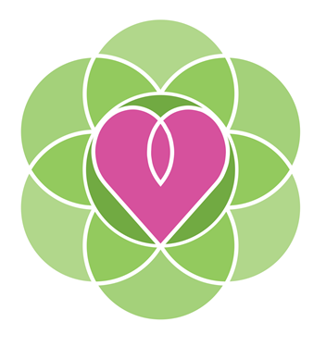 |  | Hold the Assisting Frequencies> Muscle test to see if you need this Universal Holder and install. This will help you "hold" the Anahata Codes so you can maintain access to the codes. Some people don't hold the vibration due to various blocks and disruptions. Clearing those is good, but this is another way to hold the vibration. 297 3276 (repeat 5 times instead of 7)
 |  | The Solfeggio Frequencies are 6 Musical notes/tones for healing and transformation. The miracle tone (528) is added to all Solfeggio Anahata Codes to faciliate the transformation through the Heart Chakra which is the way all Anahata Codes work. Here's a good video about the Solfeggio Frequencies: https://www.youtube.com/watch?v=9oSePXRbW9o. To install, do so as you would any other Anahta Code. I like to play the corresponding tone while installing. To hear them, go to the "tone audio" column on this spreadsheet. The link in the "description" header does a great job expanding upon each frequency.
 | BACK TO MATRIX TAB | HELPFUL LINKS:
 | Intuit from 11 to 21 | http://api.ning.com/files/B81q1M9R9BtGU1rBJeN7Vjrk3pphOaIRIhAuI8V23-4Rulz4fqAKhbf-4g-1b03xt4b5fp74RLsBYPuM*Tuc3diksMN5OVKd/Solfeggio_Meditations_Chart.jpg | Description Source: Power of Thought Meditation Group
 |  | https://truthseeker1313.com/2013/03/10/4061/
 | The link to audio referenced in "Tone Audio" | https://www.youtube.com/watch?v=4Tno4L-6vP4
 |  | Note: You must reference www.anahatacodes.com when sharing these codes.
 | assisting frequency | name | Description | Tone audio | Installed | Notes
11 | 528 174 528 174 | 174 hz | The lowest of the tones appears to be a natural anaesthetic. It tends to reduce pain physically and energetically. 174 Hz frequency gives your organs a sense of security, safety and love, encouraging them to do their best.
12 | 528 285 528 285 | 285 hz | This tone is useful when treating wounds, cuts, burns or any other form of damaged tissue. This frequency helps returning tissue into its original form. It influences energy fields sending them message to restructure damaged organ. 285 Hz – 285 Hz is said to be directly connected to our body’s mind and soul’s blueprint for optimal health and physical well being due to it’s amazing ability to remember what should be and return cells to their original form. 285 Hz is about remembering and healing you, your internal organs and your energy.
13 | 528 396 528 396 | 396 hz | Foundation. Liberate Your Guilt and Fear. Relieve grief. 396 Hz – Cleanses the feeling of guilt, which often represents one of the basic obstacles to realization, enables achievement of goals in the most direct way. It releases you from the feeling of guilt and fear by bringing down defense mechanisms. 285 Hz can also be used for grounding, awakening, sobering and returning to reality. | Beginning at 15 seconds.
14 | 528 417 528 417 | 417 hz | Expand your consciousness. Undo situations and facilitate change. 417 Hz – Is connected with resonation processes or processes of amplification. It can “delete” a person’s “alienation from God” and enable returning to the “right path”. It cleanses traumatic experiences and clears destructive influences of past events. It can be used for clearing limiting impression, which disables a person’s ability to achieve their life goals. When speaking of cellular processes, it encourages the cell and it’s DNA to function in an optimal way. 417 Hz energizes your body cells and helps to use their creative potential. | Beginning at 10:03
15 | 528 444 528 444 | 444 hz | Discover the Master Key that precipitates all other frequencies. You'll feel soothed by its multiple health benefits as you're tenderly enveloped in peace. This is the very same frequency David used to soothe King Saul's depression...(SONG 3, 444Hz ) | https://wholetones.com/ltr/14
16 | 528 528 528 528 | 528 hz | Miracle tone. DNA Repair. Heart Chakra Resonance. Anahata. Initiate transformation and miracles. 528 Hz – Returns DNA to its original perfect state by communicating the wanted effect and with energy support from the Light – miracles will happen. The process of DNA reparation is followed by beneficial effects: increased amount of life energy, clarity of mind, awareness, awakened or activated creativity, ecstatic states like deep inner peace, dance and celebration. It also opens us for deep spiritual experiences and enlightenment. | Beginning at 20:03
17 | 528 639 528 639 | 639 hz | Connection and relationships. 639 Hz – Enables creation of harmonious community and harmonious interpersonal relationships. It can be used to deal with relationship problems – those in family, between partners, friends or social problems. It can encourage the cell to communicate with its environment and enhances communication, understanding, tolerance and love. | Beginning at 30:03
18 | 528 727 528 727 | 727 hz | Allergy, Conjunctivitis, Constipation, Rib pain, Chemical Sensitivity, Detox and Lymphs, Cramping and nausea, Cramps, Crohns disease, Cyst sebaceous TR (streptothrox plus nocardia and actinomyces Israeli), Cystic Fibrosis, Cystitis chronic (long-term inflammation of the urinary bladder and ureters), Deafness, Dengue Fever, Dental Infections (root and gums), Diabetes (careful, this and other freq. about diabetes may drop blood sugar), Diarrhea, Dyspepsie, Gums (inflammation, gingivitis, pyorrhea), Menstrual Problems, Dysmenorrhea (painful menstruation. Use with plain water douche), Ear conditions various, Eczema, Edema, Pericarditis (Herzbeutelentzündung), Pancreatic Insufficiency, Raynaud disease, Retro virus variants, Runny noise, Sneezing, Sexual Dysfunctions men, Sore throat, Spleen (secondary), Staphylococci infection, Stiff muscles. | https://www.youtube.com/watch?v=4SCPRCWvw7A
19 | 528 741 528 741 | 741 hz | Awaken intution. Consciousness Expansion. 741 Hz – Cleanses the cell (“Solve Polluti”) from toxins. Frequent use of 741 Hz leads to a healthier, simpler life and also to change diet toward foods, which are not poisoned by toxins. It cleans the cell of different electromagnetic radiations, cleanses infections – viral, bacterial and fungal. This tone leads you to a pure, stable and spiritual life. | Beginning at 40:03
20 | 528 852 528 852 | 852 hz | Return to spiritual order. 852 Hz – Directly connected to the Third Eye Chakra and can be used as a means for awakening inner strength and self-realization. It is good for dissolving stagnant mental energy from over thinking. It is said to clear up energy blockages that have hindered clear and strong communication with our Higher Self, spirit guides and spiritual helpers. | Beginning at 50:03
21 | 528 963 528 963 | 963 hz | This tone awakens any system to its original, perfect state. It is connected with the Light and all-embracing Spirit, and enables direct experience, the return to Oneness. This frequency re-connects you with the Spirit, or the non-vibrational energies of the spiritual world. It will enable you to experience Oneness – our true nature.

